regular schedule structure
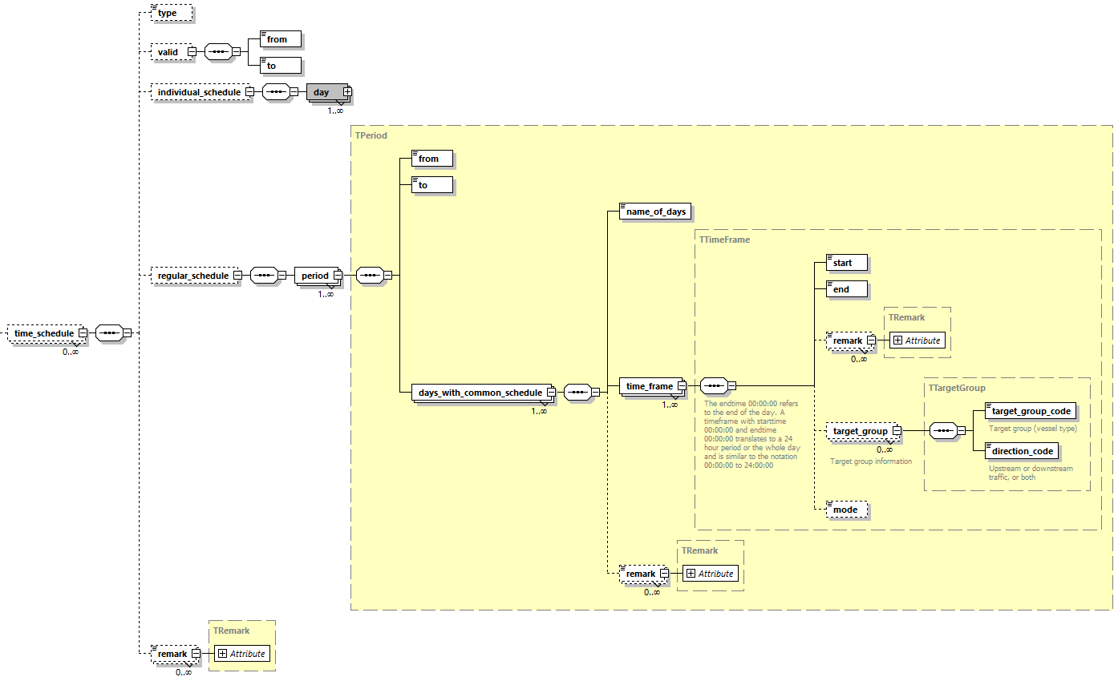
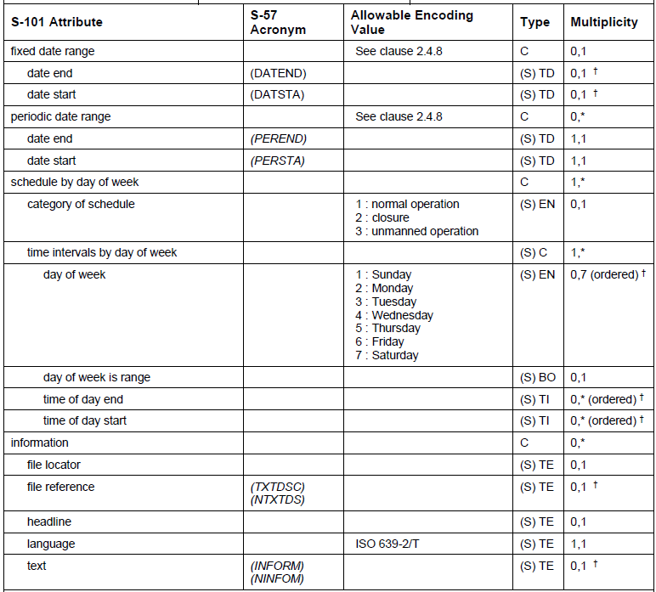

It is possible to encode several Information Types Service Hours. Is it sufficient to add target group and direction of impact at attribute level?

individual schedule structure
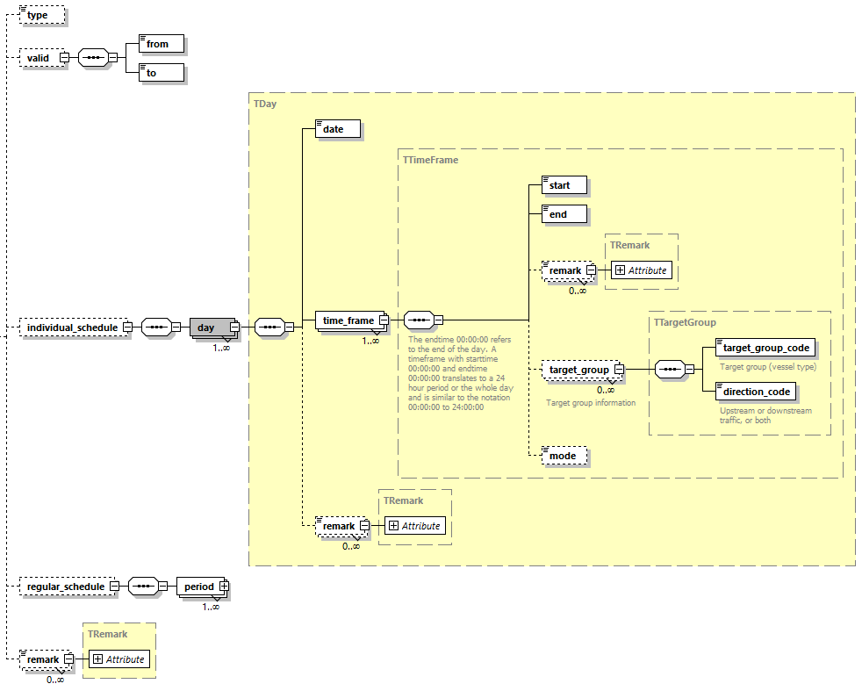

It is possible to encode several Information Types Service Hours. Is it sufficient to add target group and direction of impact at attribute level?

Non-Standard Working Days
IHO Definition: NON-STANDARD WORKING DAY. Days when many services are not available. Often days of festivity or recreation or public holidays when normal working hours are limited, especially a national or religious festival, etc. (S-127 Edition 1.0.0).

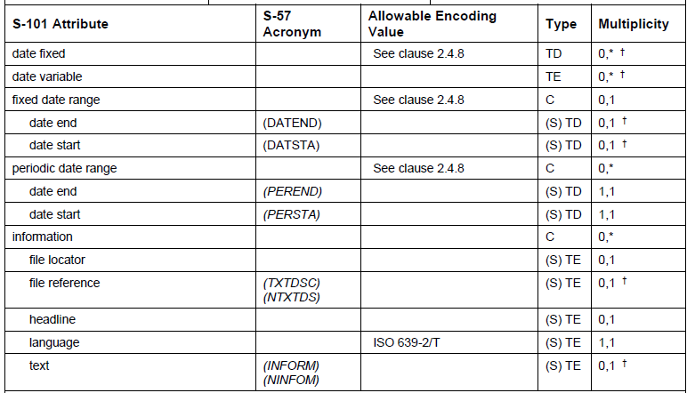

date variable is just containing free text --> not machine readable

service hours or times of closure on such a non standard working day can only be encoded as free text or as an external file

Should we recommend to encode the Information Type Service Hours for public holidays?
Or do we add all the necessary attributes in Non Standard Working Days?
Should we check with IHO if it is correct that Non Standard Working Days is overriding the information in Service Hours?

